Bug Report
 |  | 1
Defect Report

Release | V.1.0
Title | Subtraction Operation Button Issue
Description | The subtraction operation button on the calculator is performing addition instead of subtraction.
Steps | 1-Open Postman. 2-Create a GET request to the following URL: http://api.weatherapi.com/v1/current.json?q=Springfield&key=78e28b06c3f44e58825182004240107 Send the request. Observe the response.
Expected Results | The API should returns multiple entries for "Springfield," including those from different regions such as "Missouri" and "Tennessee."
Actual Result | The API return exactly one entry for "Springfield" in "Massachusetts."
Environment | API Key:78e28b06c3f44e58825182004240107 Tool Used: Postman
Screenshot / Video | 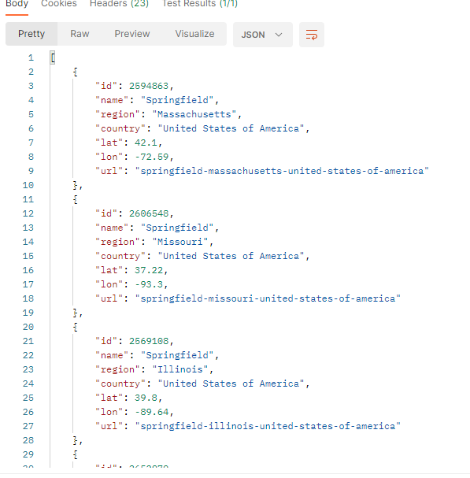 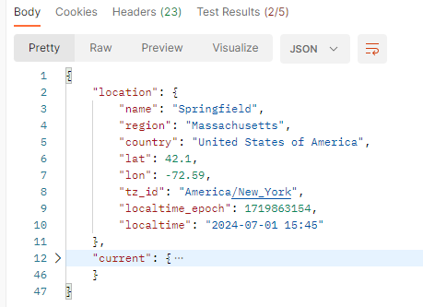 search in Springfield: result:
Rate | 2022-05-05
Priority | High
Status | open
Author | yasser
© Copy rights for QAcart 2022

